Invoice
CALIFOR UPHOLSTERY MATERIALS CO., LTD.
XIN BAVET SEZ, Road No. 316A, Trapeang Bon and Prey Kokir Villages, Prey Kokir Commune, Chantrea District,
Svay Rieng Province, Kingdom of Cambodia.
VAT:L001-901903209
Tel: +855 975910636
INVOICE
 |  |  |  |  | Ref No.: | JFREF
EXPORTER: | CALIFOR UPHOLSTERY MATERIALS CO., LTD. |  |  |  | INVOICE NO : | JFINV
 | XIN BAVET SEZ, Road No. 316A, Trapeang Bon and Prey Kokir Villages, |  |  |  | Date: | JFTIME
 | Prey Kokir Commune, Chantrea District,Svay Rieng Province, Kingdom of Cambodia . |  |  |  | DAP: | BINH DUONG
 | Tel: +855 975910636 |  |  |  | ETD：
 |  |  |  |  | ETA:
CONSIGNEE : | Wanek Furniture Co., LTD.
 | Lot D_5A_CN, D_5C_CN, D_5E_CN, My Phuoc 3 Industrial Park, Thoi Hoa Ward, Ben Cat City,
 | Binh Duong Province, Vietnam.
 | P+84 650 3655 200 EXT:7074 MS EMILY(C&L)/MS DOROTHY(CR) EXT:7036 MS JANE (PURCHASING)

SHIP: | BY TRUCK FROM BAVET, SVAY RIENG, CAMBODIA TO BINH DUONG PROVINCE, VIETNAM.

Mark & Nº | P.O. Nº | Description | ITEM Nº | Quantity (SF) | Unit price (USD) | Amount(USD)
VENDOR#: | PT23419 | L MINDANAO BUFFALO COCONUT | 140488 | 8,927.60 |  | 8,034.84
Des: LEATHER | PT23422 | L MINDANAO BUFFALO COCONUT | 140488 | 17,646.00 |  | 15,881.40
MADE IN CAMBODIA | PT23D55 | L MINDANAO BUFFALO COCONUT | 140488 | 16,363.10 |  | 14,726.79
 | PT25976 | L EMBERLA COFFEE U44805 | 140480 | 3,040.10 |  | 3,100.90
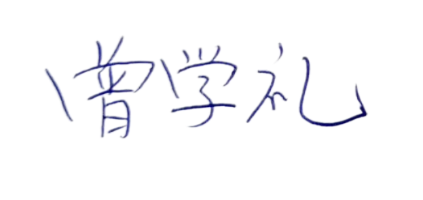
 | PT25977 | L LEESWORTH BUFFALO DARK BROWN | 140478 | 25,870.90 |  | 23,283.81
 | PT25433 | L LEESWORTH BUFFALO DARK BROWN | 140478 | 93,412.00 |  | 84,070.80
 | PT25975 | L MINDANAO BUFFALO STEELU59504 | 140489 | 8,868.20 |  | 7,981.38
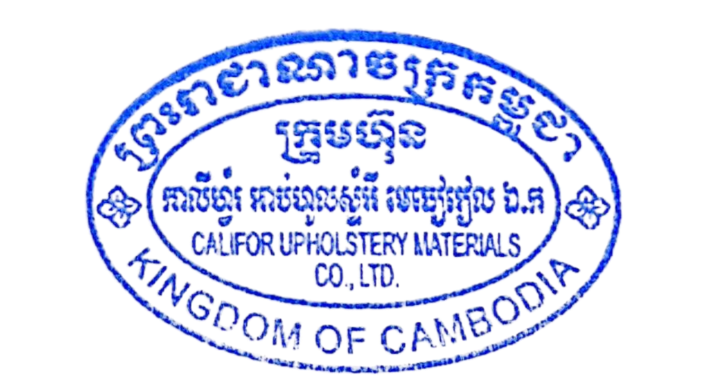
 | PT25G39 | L LEESWORTH BUFFALO DARK BROWN | 140478 | 58,228.30 |  | 52,405.47
 | PT26207 | L MOSSANO CANYON 72907 | 140522 | 105,637.80 |  | 150,005.68
 | TOTAL OF: | 36 PALLETS

Country of Original Cambodia
Manufacture: | CALIFOR UPHOLSTERY MATERIALS CO., LTD. XIN BAVET SEZ, Road No. 316A, Trapeang Bon and Prey Kokir Villages, Prey Kokir Commune, Chantrea District,Svay Rieng Province, Kingdom of Cambodia, Tel: +855 975910636
BENEFICIARY BANK：BANK OF CHINA(HONG KONG)LIMITED PHNOM PENH BRANCH /BANK OF CHINA PHNOM PENH BRANCH
A/C NO:100001100764430
SWIFT CODE ：BKCHKHPPXXX
 |  |  |  |  | CALIFOR UPHOLSTERY MATERIALS CO., LTD.
 |  |  |  |  | Sign & Stamp

 |  |  |  |  | ZENG XUELI

